Hot Wheels Robot chassis
 |  |  | Tel.: +86 183 7905 2106 | fax:+86 755 8623 9429
Hot Wheels Robot chassis
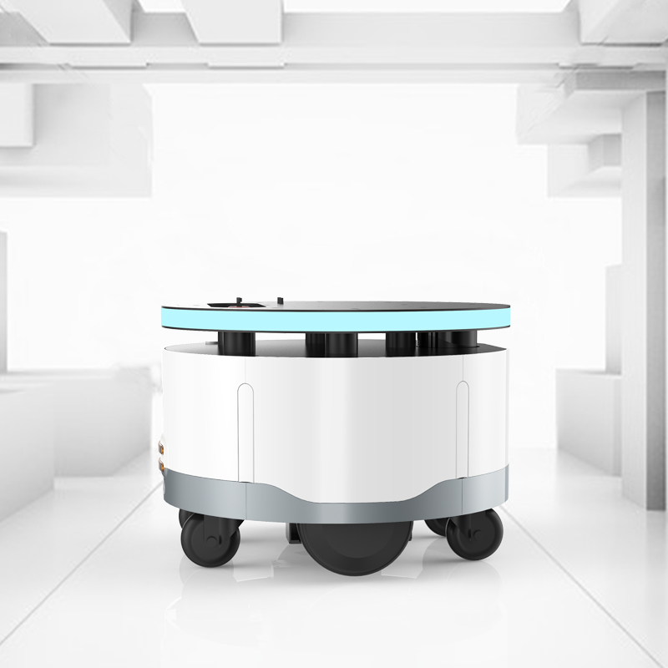
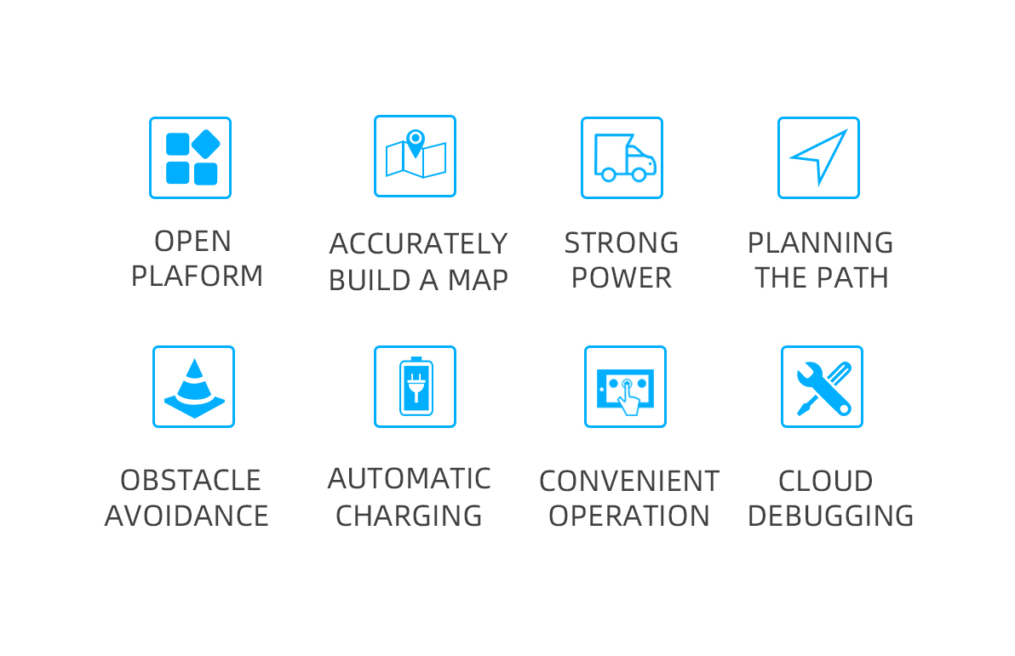

Product specifications
Model No. | WBOT11B
Size | 450mm(L)*450mm(W)*317mm(H)
weight |  |  | 28KG
Battery capacity | 20800mAh/37V
Cruising speed |  |  | 0.1~1m/s
Working time |  |  | 6~8h
Interface
WIFI | AP6255 dual frequency 2.4G+5.8G
4G |  |  | Optional
Speaker | 4Ω/3W mono speaker
USB Debuging Port | Mcro USB 2.0
External I/O Port | 1*Mcro USB 2.0 RJ45 Network Port
Power Button |  |  | One Key Boot
Emergency Stop Button | 1
Function
Remote navigation deployment | Supported
Automatic return to charging | Supported
Second-level obstacle avoidance | Supported
Emergency stop | Supported
Operating system, processor, memory characteristics
Operating system |  | android（5.1）
Processor type |  | RK3128 （Quad-core Cortex-A7, frequency up to 1.2GHz）
Built-in clock |  | RTC
RAM LPDDDR3 |  | 1GB
Built-in NAND FLASH |  | 8GB
ROS navigation specifications、Power system
Operating system |  | LINUX
Processor type |  | Motherboard I5 ITX-H45-I526LVER:1.1A(4300U)
Hard disk |  | 32G High-speed solid state drive
Motor driven |  | 5.5 inch hub motor
Gyro |  | 9-axis high-precision attitude sensor9-axis high-precision attitude sensor
Single-line lidar |  | Wavelength 905 nm, working area 270 degrees
Lidar |  | 20m
Type of battery |  | 10S16P Capacity 10400 mAh/37V
Power Adapter |  | Enter: AC100-240V.50-60HZ Out: DC42V 3A
Charging method |  | Automatic recharge, DC direct charge
Charging pile |  | Output voltage：42VDC，Output current：3A
Quotation（USD)
1-10pcs |  | 2800
11-50pcs |  | 2600
≥51pcs |  | 2500
Price terms : EXW.
Payment terms: T/T in advance.
Lead time is within 3~10 workdays
Warranty is 1 year.

